Invoice Template
Original Invoice
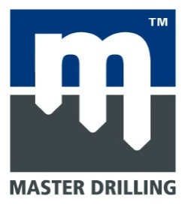 |  |  | MASTER DRILLING ZAMBIA LTD
Master Drilling Zambia,Plot 546 Chisha Mwamba Lane,
Industrial Area Mwaiseni Chingola,Zambia.
P.O Box 10443.
Tel: 0212 311 108
Email: sec@masterdrill.co.za | www.masterdrilling.com
Invoice Number:
MDSA0067

Invoice Date:
2021/03/31

Customs Code:
Exporter Full Address:
Negotiated Incoterm:
MASTER DRILLING ZAMBIA PLOT 546 CHISHAMWAMBA LANE OFF STATION ROAD INDUSTRIAL AREA CHINGOLA ZAMBIA
Acquisition Country:

Importers Full Address:
Country of Derication:
MD KATANGA DRILLING COMPANY SAS No 2 Avenue de la Revolution,App6, Quartier Gambela, Commune de Lubumbashi Lubumbashi – Haut Katanga DRC K/O Kamoa Mine ATTENTION: SAUL NDAWONA
Packing:

TRANSPORTER

ITEM | HS CODE | QTY | DESCRIPTION | COUNTRY OF ORIGIN |  | TOTAL NETT WEIGHT KG | UNIT PRICES | TOTAL PRICES

1 | 8431.43.00.2 | 1 | REAMING STABILIZER 14 3/4" - 16" | SA |  | 1500 | USD 8,238.00 | USD 8,238.00

 |  | 1 |  |  |  | 1500.00
 | Grand Total |  |  |  |  |  |  | USD 8,238.00

 |  |  |  |  | Signature:

The information contained in this document is confidential and proprietary to Master Drilling. No part of the document may be circulated, quoted, or reproduced for distribution outside the Master Drilling organization without prior written approval from Master Drilling. © 2010, Master Drilling, All Rights Reserved.

